Test Cases - Funtional
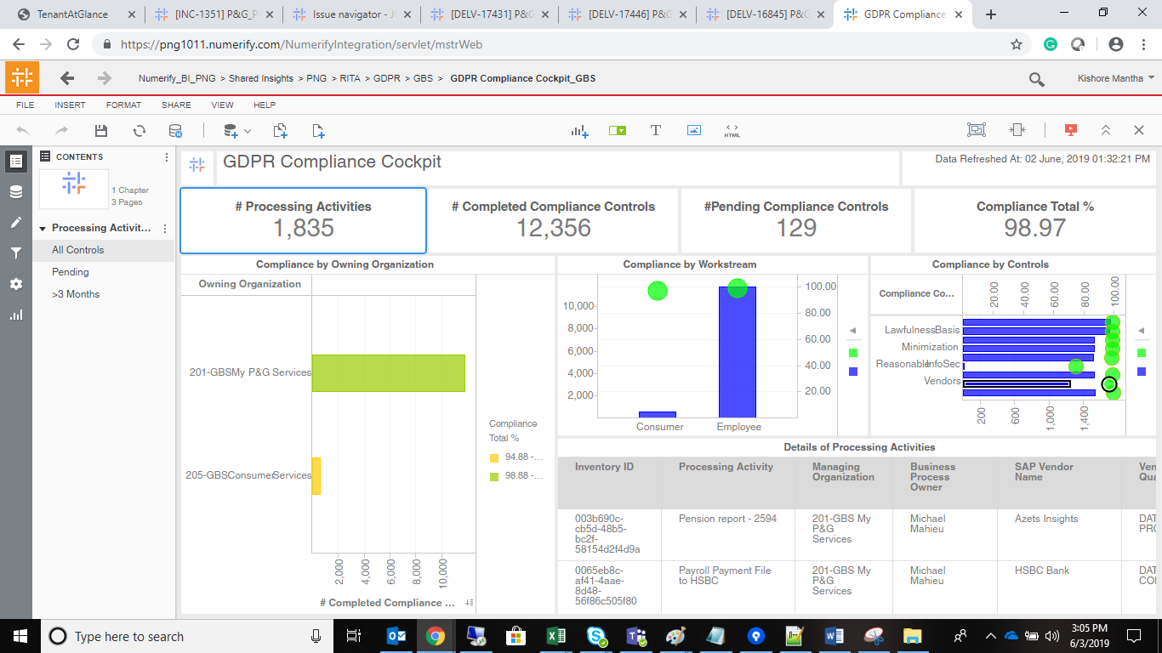
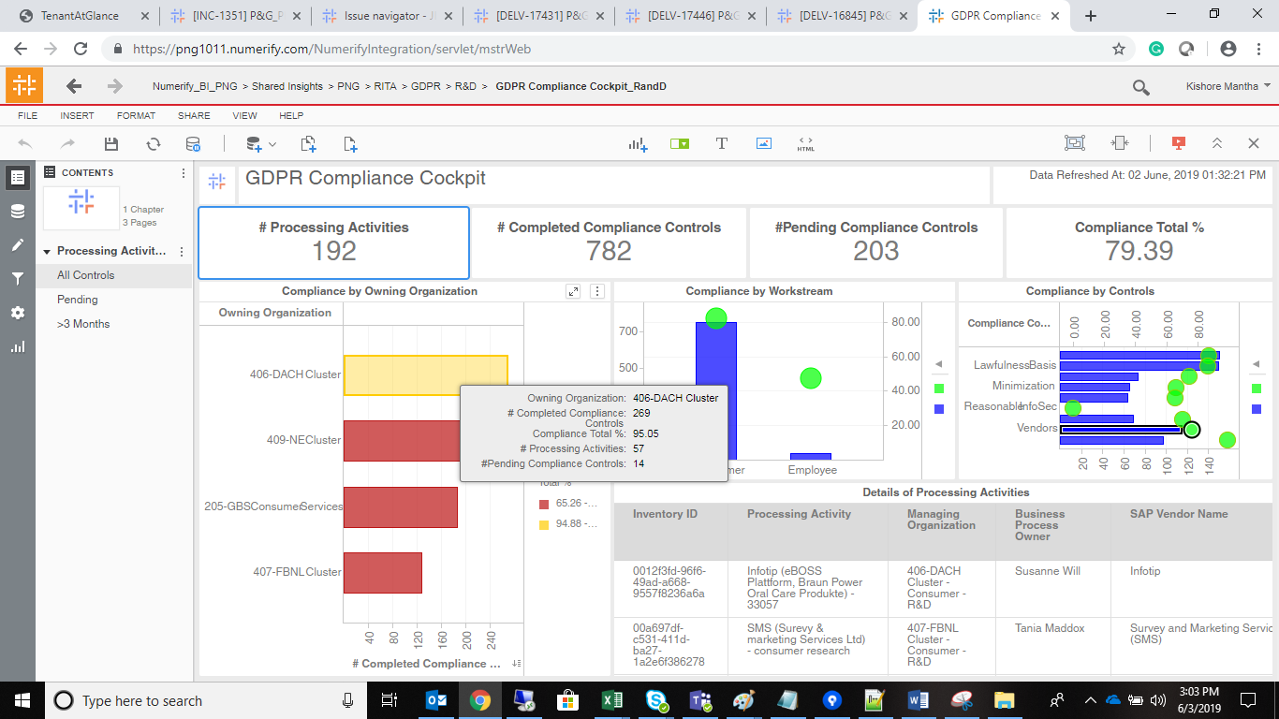
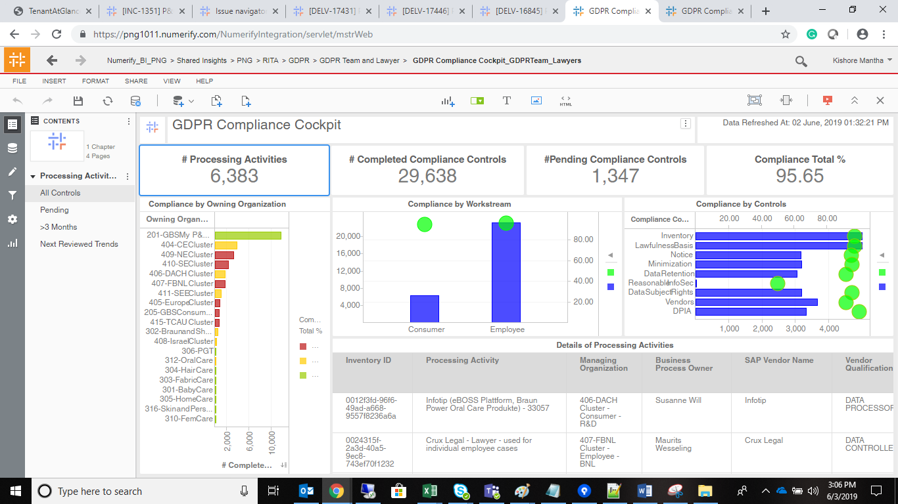
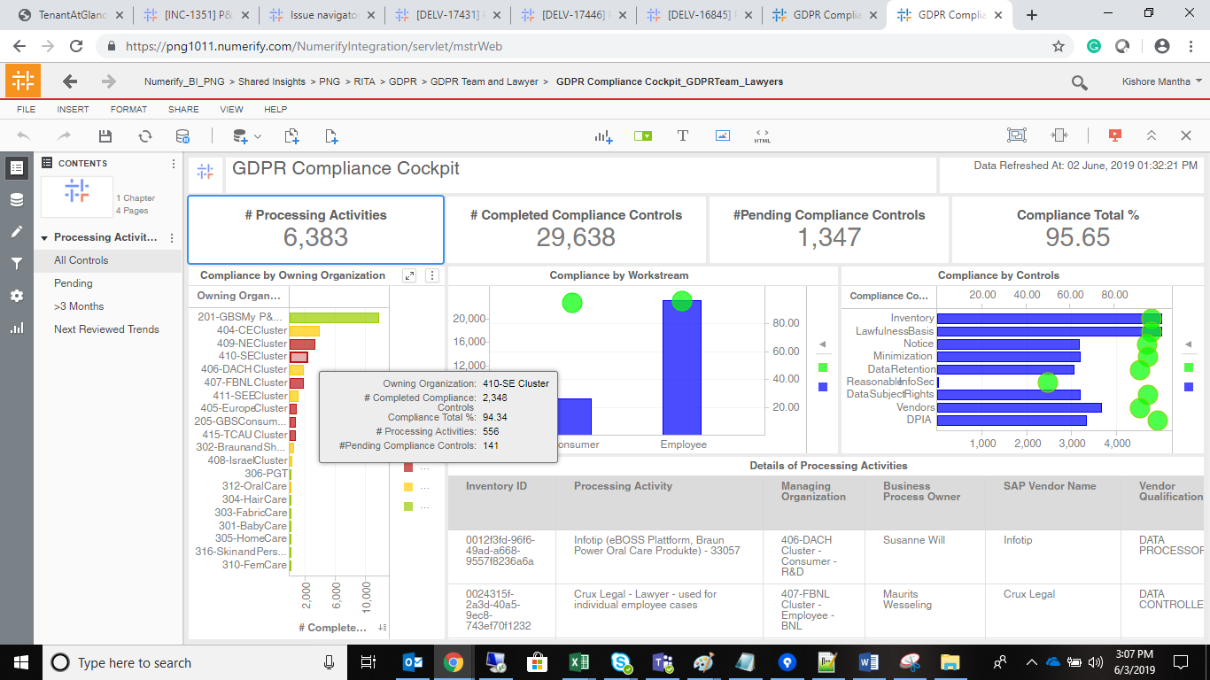
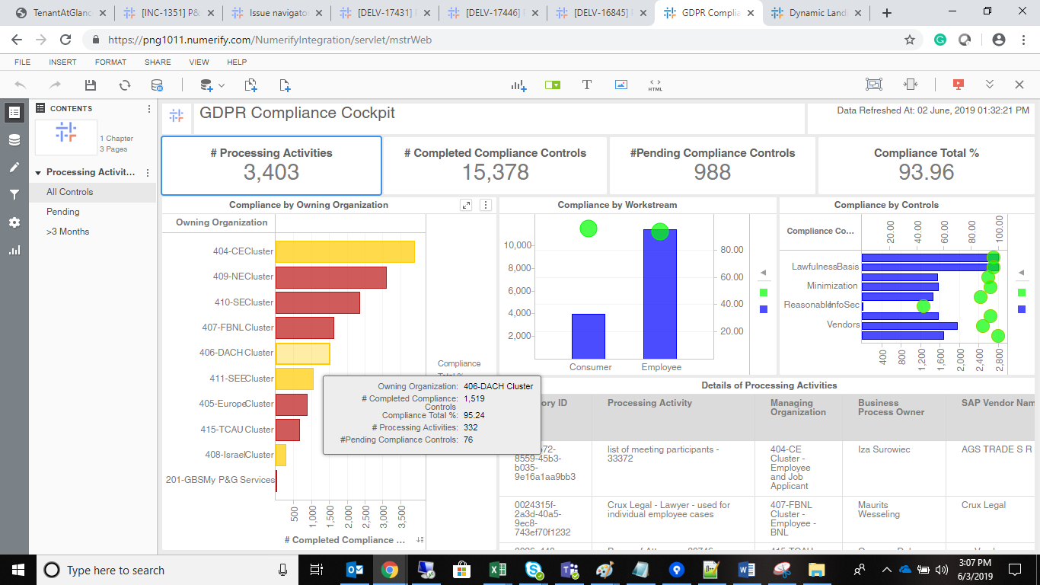
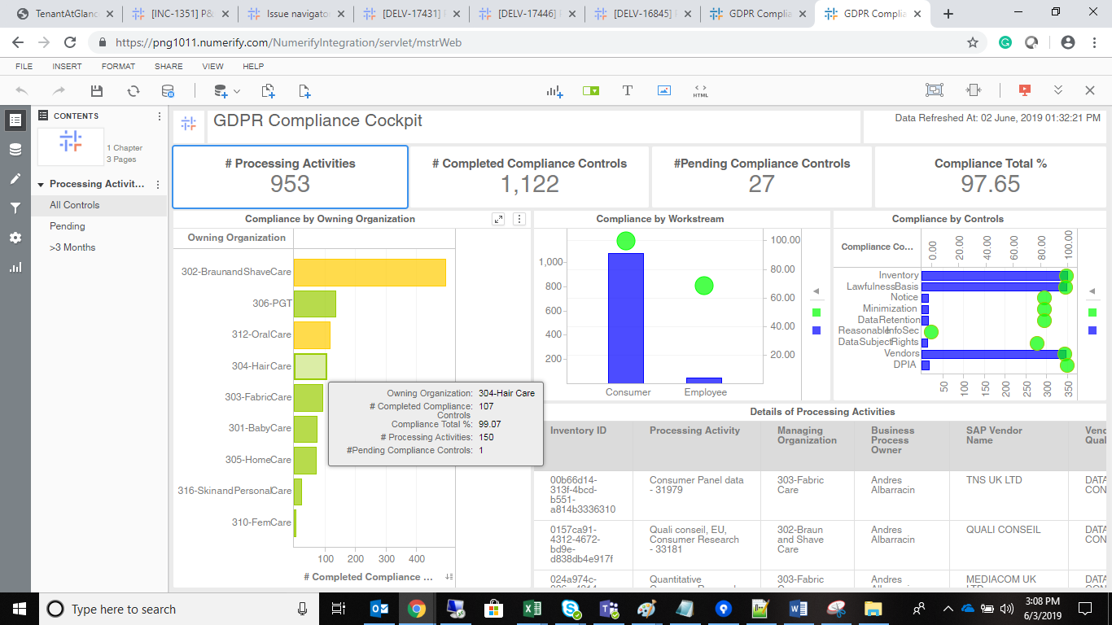
INDEX

TC_No | Test Case | Test Description | Expected Result | Actual Result | Result | Defect JIRA # | Comments
1 | DELV-16845 | P&G: CR 275: - Compliance Report - hover over cursor enhancement | # of pending compliance controls metric' should be available in all Control views of Compliance Cockpit Dashboards | # of pending compliance controls metric' has been added to all the Oranization Chart' in All Control panels | Pass

S no | Modules | VI Names
1 | RandD -Cluster | GDPR Complaince Cockpit_RandD
2 | GBS-Cluster | GDPR Complaince Cockpit_GBS
3 | Central lawyers | GDPR Complaince Cockpit_GDPR Team Central Lawyers
4 | GDPR Team | GDPR Complaince Cockpit_GDPR Team Central Lawyers
5 | SMO Cluster | GDPR Complaince Cockpit_SMO
5 | GBU Cluster | GDPR Complaince Cockpit_GBU

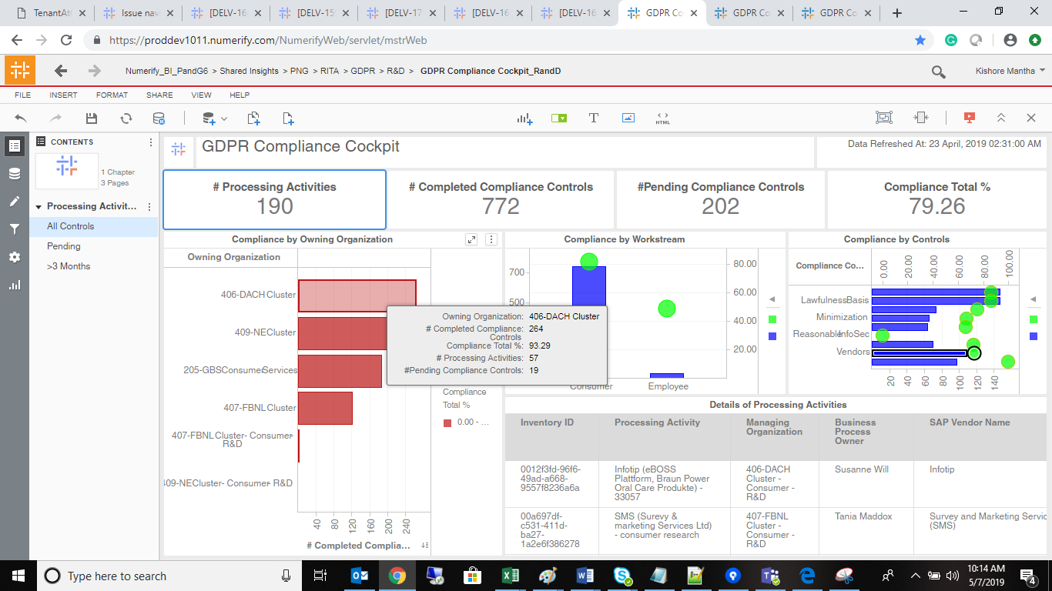
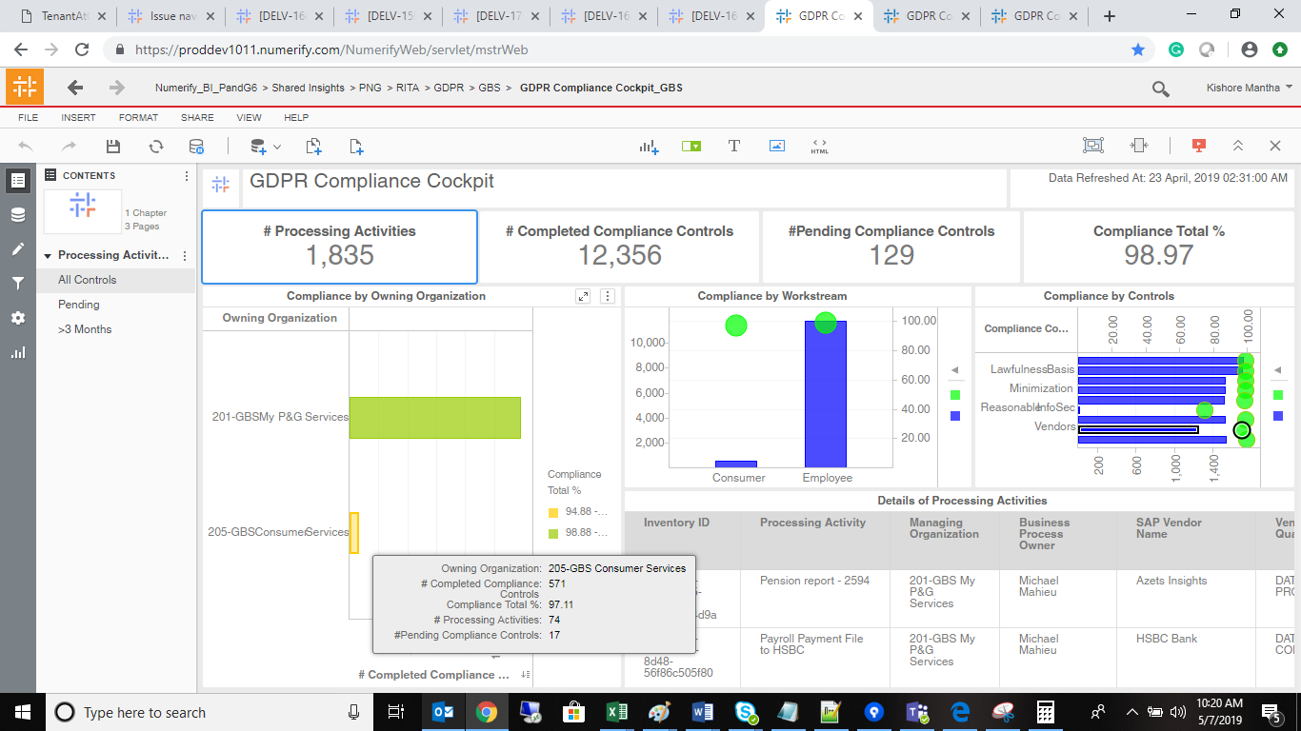

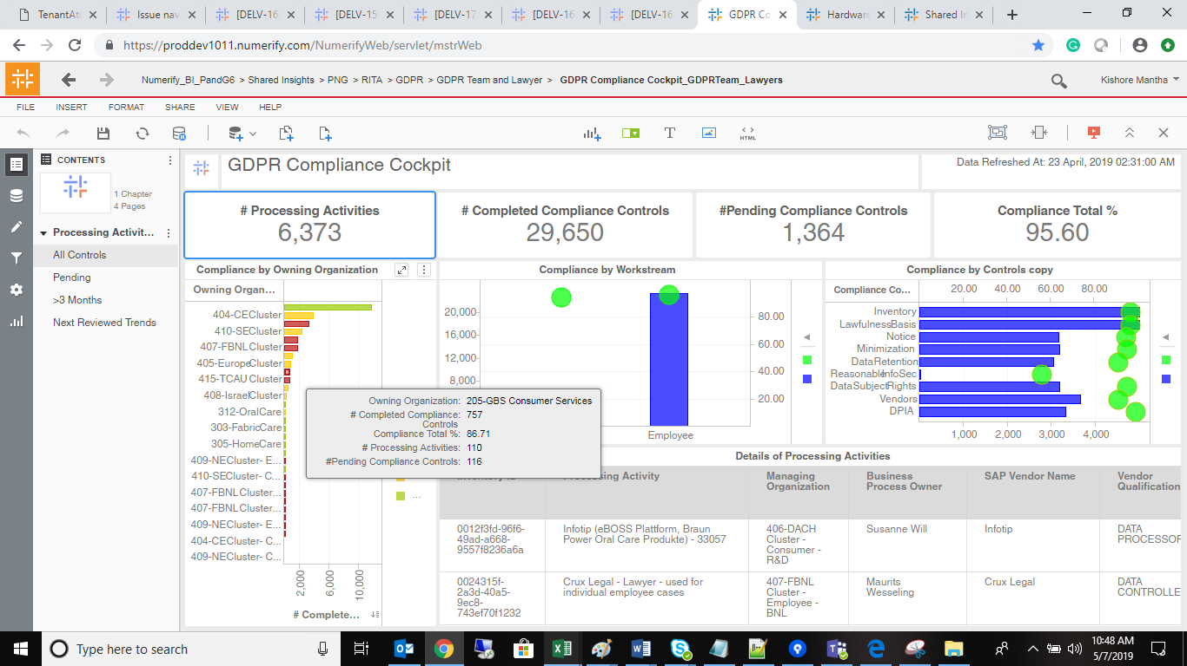
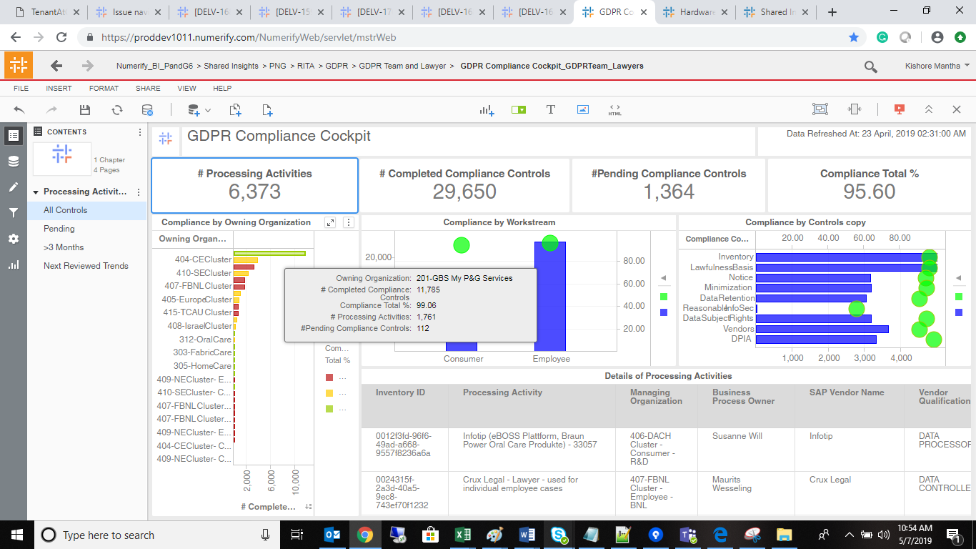

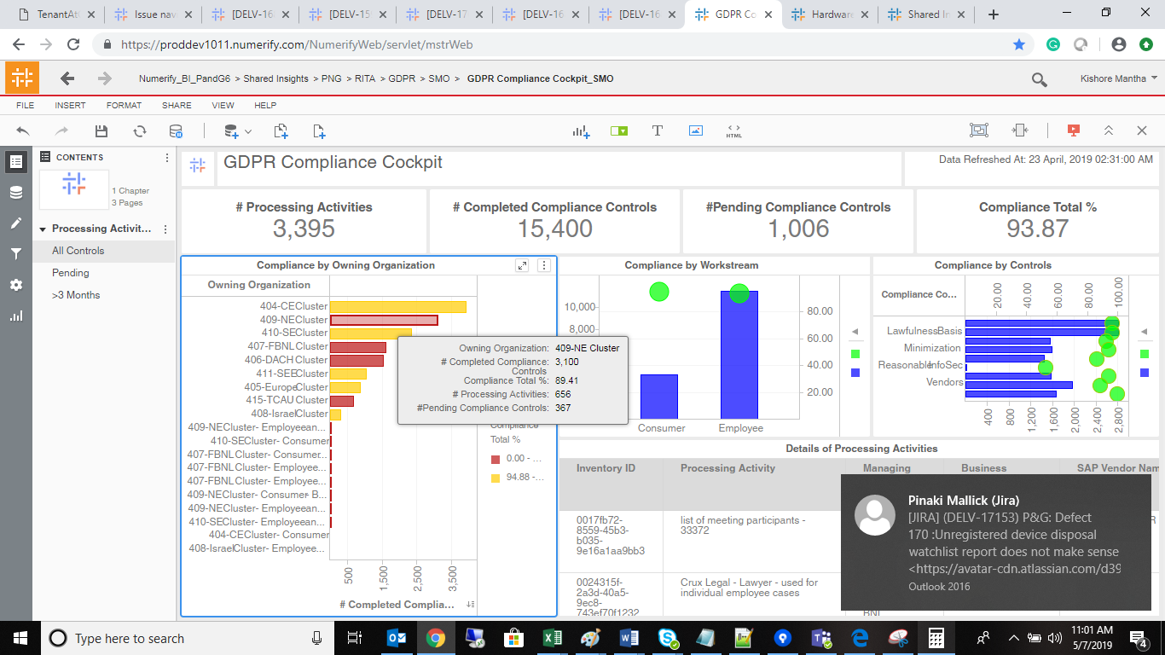
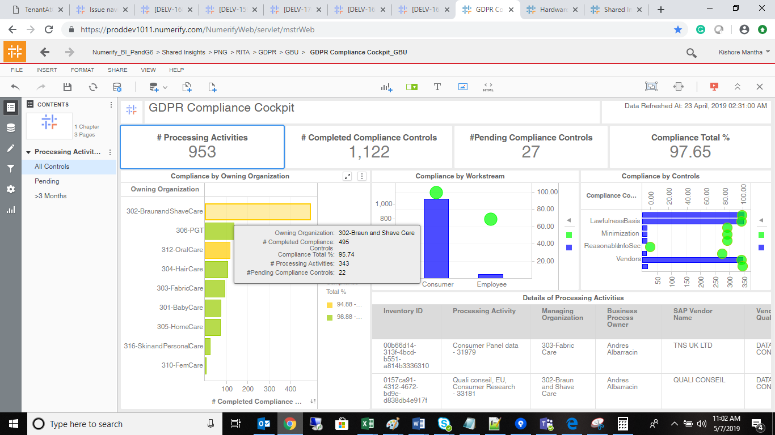

 | PROD Validation

